DEWATA COCONUT (Coconut)
DATE | INV NO. | DESCRIPTIONS | AMOUNT | BILLS | PRICE | TOTAL
2025-12-01 | 12340 | COCONUT LOGO | 20 | 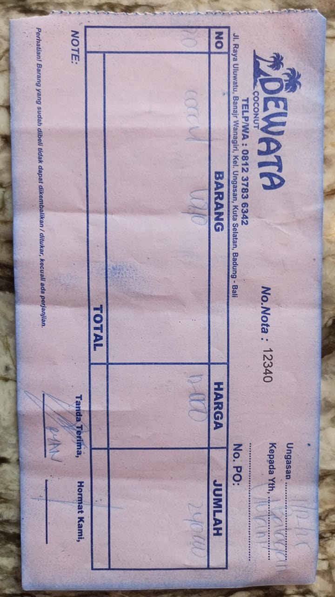 | IDR 12,000 | IDR 240,000
 |  |  |  |  |  | IDR -
 |  |  |  |  |  | IDR -
 |  |  |  |  |  | IDR -
 |  |  |  |  |  | IDR -
 |  |  |  |  |  | IDR -
 |  |  |  |  |  | IDR -
 |  |  |  |  |  | IDR -
 |  |  |  | Rp240,000

